Layout
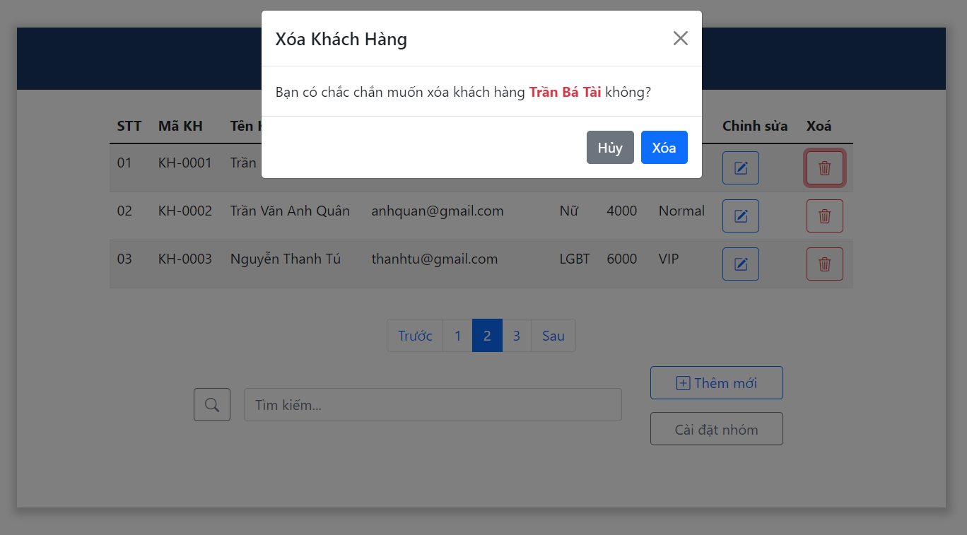
6.4.4 Chức năng quản li khách hàng
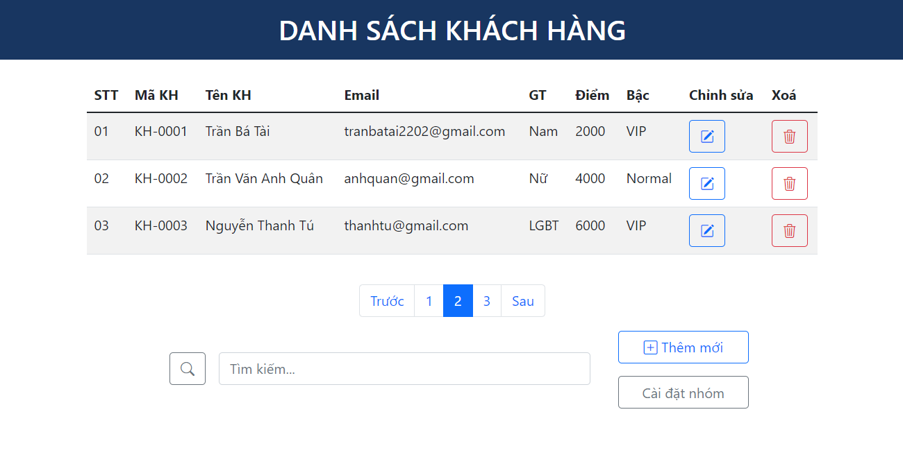

Xoá khách hàng

